QAS
Application | System Role | VirtHN/ Alias | Hostname | IP Address | OS | DB SID | System # | Machine Type | CPU | RAM | System ID | Resource Group
S4 | QAS | sapqh0db -RW ; sapqh0bi - RO | AZ-HANAQAS-010 | 10.200.4.x | SLES for SAP 12.4 | QH0 | 15 | M64s | 64 | 1024 | qh0adm | Chobani_RG_SAP_Non_PRD
S4 | QAS | sapqh0db -RW ; sapqh0bi - RO | AZ-HANAQAS-020 | 10.200.4.x | SLES for SAP 12.4 | QH0 | 15 | M64s | 64 | 1024 | qh0adm | Chobani_RG_SAP_Non_PRD

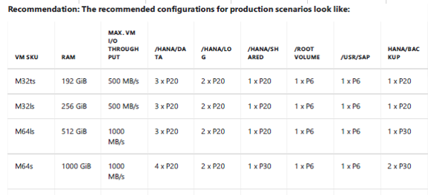
Disk Layout Recommendation
 |  |  |  |  |  |  | ​

 |  | 3XP30 | 1 TB (striped LVM) | /hana/data | 3 TB
 |  | 2XP30 | 1 TB (striped LVM) | /hana/log | 2 TB
 |  | 1XP30 | 1 TB | /hana/shared | 1 TB
 |  | 1xP10 | 256 GB | /usr/sap | 256 GB
 |  | 1xP10 | 256 GB | / | 256 GB
 | 3 | Stripe Size
 |  |  | 64 KB for /hana/data
 |  |  | 32 KB for /hana/log
 | 4 | System IDs on Linux Servers - qh0adm - Do you have a tool to create an AD user and push to linux servers? Or all the Linux ids are local users?

 |  | Recommendation: As a result of these observed I/O patterns by SAP HANA, the caching for the different volumes using Azure Premium Storage should be set like:
 |  | /hana/data - no caching
 |  | /hana/log - no caching - Exception for M-Series (Write Accelerator is supposed to be used against the /hana/log volume only)
 |  | /hana/shared - read caching

 |  | tune-adm profile sap-hana
 |  | saptune solution verify HANA

 |  | Refer - AZ-HDBQAS-001

